Sheet3
Type | Parameter
AddDamage | addDamage = 0 |  |  |  |  | BOLD Parameters *need* to be given, others only if the default value is not needed
AttackWithTeammate | - |  |  |  |  | Effects can be grouped
Break | -
OHKO | Probability = 0 |  |  |  |  | Examples:
Condition | Condition | Probability = 10
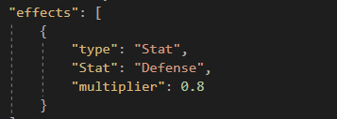
Counter | -
HPDrain | Percentage = 20 | Probability = 100
IgnoreDefense | IgnorePercent = 20 | Probability = 10
MultiplyDamage | Multipliers = [2.0] | Probabilites = [10]
MysticCall | EnemyNames
PPDrain | Percentage = 20 | Probability = 100
ReduceDamage | DamageReduction = 0
ReduceHPToOne | Probability = 10
Restore | -
Revive | Percentage = 50
Stat | Stat | Multiplier = 1 | Probability = 100 | OnTarget = true | Turns = 7
UserDies | -

  

